Dividend PMT
Dividend Information
 | Dividend Period | Date of payment | Type of Dividend | Dividend per Share | Dividend Total | Total amount
 |  |  |  | (Baht) | (Baht) | (Billion Baht)
2026 | 1st Interim payment | 2026-06-12 | Cash | 0.175 | 0.175 | 0.98
2025 | Annual | 2026-05-22 | Cash | 0.175 | 0.7 | 3.93
 | 3rd Interim payment | 2025-12-11 | Cash | 0.175
 | 2nd Interim payment | 2025-09-11 | Cash | 0.175
 | 1st Interim payment | 2025-06-12 | Cash | 0.175
2024 | Annual | 2025-05-23 | Cash | 0.175 | 0.7 | 3.93
 | 3rd Interim payment | 2024-12-11 | Cash | 0.175
 | 2nd Interim payment | 2024-09-12 | Cash | 0.175
 | 1st Interim payment | 2024-06-12 | Cash | 0.175
2023 | Annual | 2024-05-23 | Cash | 0.175 | 0.925 | 5.19
 | 3rd Interim payment | 2023-12-14 | Cash | 0.25
 | 2nd Interim payment | 2023-09-13 | Cash | 0.25
 | 1st Interim payment | 2023-06-14 | Cash | 0.25
2022 | Annual | 2023-05-19 | Cash | 0.4 | 1.6 | 2.25
 | 3rd Interim payment | 2022-12-15 | Cash | 0.4
 | 2nd Interim payment | 2022-09-15 | Cash | 0.4
 | 1st Interim payment | 2022-06-16 | Cash | 0.4
2021 | Annual | 2022-05-20 | Cash | 0.25 | 1 | 5.61
 | 3rd Interim payment | 2021-12-09 | Cash | 0.25
 | 2nd Interim payment | 2021-09-15 | Cash | 0.25
 | 1st Interim payment | 2021-06-10 | Cash | 0.25
2020 | Annual | 2021-05-20 | Cash | 0.175 | 0.7 | 3.93
 | 3rd Interim payment | 2020-12-09 | Cash | 0.175
 | 2nd Interim payment | 2020-09-10 | Cash | 0.175
 | 1st Interim payment | 2020-06-11 | Cash | 0.175
2019 | Annual | 2020-05-08 | Cash | 0.175 | 1.225 | 6.88
 | 3rd Interim payment | 2019-12-11 | Cash | 0.35
 | 2nd Interim payment | 2019-09-05 | Cash | 0.35
 | 1st Interim payment | 2019-06-04 | Cash | 0.35
2018 | Annual | 2019-05-23 | Cash | 0.35 | 1.4 | 7.83
 | 2nd Interim payment | 2018-12-18 | Cash | 0.35
 | 1st Interim payment | 2018-09-04 | Cash | 0.7
2017 | Annual | 2018-05-25 | Cash | 0.55 | 1 | 5.36
 | Interim payment | 2017-09-06 | Cash | 0.45
2016 | Annual | 2017-05-23 | Cash | 0.36 | 0.66 | 1.44
 | Interim payment | 2016-09-07 | Cash | 0.3
2015 | Annual | 2016-05-23 | Cash | 0.24 | 0.48 | 2.31
 | Interim payment | 2015-09-04 | Cash | 0.24
2014 | Annual | 2015-05-22 | Cash | 0.19 | 0.38 | 1.83
 | Interim payment | 2014-09-05 | Cash | 0.19
2013 | Annual | 2014-05-22 | Cash | 0.14 | 0.28 | 1.35
 | Interim payment | 2013-09-05 | Cash | 0.14
2012 | Annual | 2013-05-23 | Cash | 0.18 | 0.36 | 1.73
 | Interim payment | 2012-09-06 | Cash | 0.18
2011 | Annual | 2012-05-24 | Cash | 0.5 | 1 | 4.81
 | Interim payment | 2011-09-05 | Cash | 0.5
Remarks:
Since dividend is being paid from the non taxable income of the Company, withholding tax will be deducted from the dividend. However no tax will be deducted for the payment
to a listed company or a company holding more than 25% shares for a period of over six months. The withholding tax deducted cannot be refunded from Revenue Department.

Dividend Information
 | 1st Interim payment | 2nd Interim payment | 3rd Interim payment | Annual | Total
2011 | 0.50 |  |  | 0.50 | 1.00
2012 | 0.18 |  |  | 0.18 | 0.36
2013 | 0.14 |  |  | 0.14 | 0.28
2014 | 0.19 |  |  | 0.19 | 0.38
2015 | 0.24 |  |  | 0.24 | 0.48
2016 | 0.30 |  |  | 0.36 | 0.66
2017 | 0.45 |  |  | 0.55 | 1.00
2018 | 0.70 | 0.35 |  | 0.35 | 1.40
2019 | 0.35 | 0.35 | 0.35 | 0.18 | 1.22
2020 | 0.18 | 0.18 | 0.18 | 0.18 | 0.70
2021 | 0.25 | 0.25 | 0.25 | 0.25 | 1.00
2022 | 0.40 | 0.40 | 0.40 | 0.40 | 1.60
2023 | 0.25 | 0.25 | 0.25 | 0.18 | 0.93
2024 | 0.18 | 0.18 | 0.18 | 0.18 | 0.70
2025 | 0.18 | 0.18 | 0.18 | 0.18 | 0.70
2026 | 0.18 |  |  |  | 0.18

 |  |  |  |  |  |  |  | 1st Interim payment | 2nd Interim payment | 3rd Interim payment | Annual | Total
 |  |  |  |  |  |  | 2011 | 0.50 |  |  | 0.50 | 1.00
 |  |  |  |  |  |  | 2012 | 0.18 |  |  | 0.18 | 0.36
 |  |  |  |  |  |  | 2013 | 0.14 |  |  | 0.14 | 0.28
 |  |  |  |  |  |  | 2014 | 0.19 |  |  | 0.19 | 0.38
 |  |  |  |  |  |  | 2015 | 0.24 |  |  | 0.24 | 0.48
 |  |  |  |  |  |  | 2016 | 0.30 |  |  | 0.36 | 0.66
 |  |  |  |  |  |  | 2017 | 0.45 |  |  | 0.55 | 1.00
 |  |  |  |  |  |  | 2018 | 0.70 | 0.35 |  | 0.35 | 1.40
 |  |  |  |  |  |  | 2019 | 0.35 | 0.35 | 0.35 | 0.18 | 1.22
 |  |  |  |  |  |  | 2020 | 0.18 | 0.18 | 0.18 | 0.18 | 0.70
 |  |  |  |  |  |  | 2021 | 0.25 | 0.25 | 0.25 | 0.25 | 1.00
 |  |  |  |  |  |  | 2022 | 0.40 | 0.40 | 0.40 | 0.40 | 1.60
 |  |  |  |  |  |  | 2023 | 0.25 | 0.25 | 0.25 | 0.175 | 0.93
 |  |  |  |  |  |  | 2024 | 0.175 | 0.175 | 0.175 | 0.175 | 0.70
 |  |  |  |  |  |  | 2025 | 0.175 | 0.175 | 0.175 | 0.175 | 0.70
 |  |  |  |  |  |  | 2026 | 0.175 |  |  |  | 0.18

IVL - สิทธิประโยชน์ - SETTRADE.COM

IVL Debt
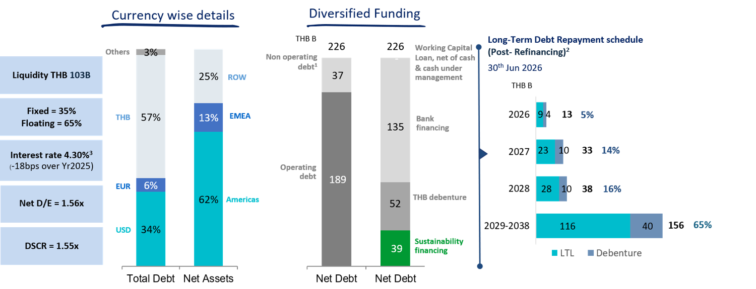

IVL Shareholding Structure
Major Shareholders of IVL as on May 29, 2026
No. | Shareholders | No. of Shares | %
1 | INDORAMA RESOURCES LTD.1 | 3,688,403,618 | 65.69
2 | THAI NVDR LTD. | 328,292,662 | 5.85
3 | BANGKOK BANK PLC. | 270,905,264 | 4.83
4 | VAYU 1 | 195,808,700 | 3.49
5 | SOCIAL SECURITY OFFICE | 94,564,840 | 1.68
6 | SOUTH EAST ASIA UK (TYPE C) NOMINEES LIMITED | 73,428,641 | 1.31
7 | N.C.B.TRUST LIMITED- NORGES BANK 37 | 32,855,600 | 0.59
8 | BBHISL NOMINEES LIMITED | 29,959,643 | 0.53
9 | TISCO MASTER POOLED REGISTERED PROVIDENT FUND | 27,336,100 | 0.49
10 | Other Shareholders | 872,996,840 | 15.55
 | Total Shares | 5,614,551,908 | 100.00
Remarks: 1 Group of Lohia Family |  | No. of Shares | %
 | - INDORAMA RESOURCES LTD.* | 3,688,403,618 | 65.69
 | - MR. ALOKE LOHIA** | 1,000,010 | 0.02
 | - MR. ANUJ LOHIA | 10 | -
*Owned by Canopus International Limited*** 99.98%
**Mr. Aloke Lohia's shareholding in the Company, through his family holding in Canopus International Limited, is more than 25 times of
his annual base salary.
***Mr. Aloke Lohia and his immediate family jointly hold voting rights of 76% and an equity interest of 50% in Canopus, while the remaining
voting rights of 24% and 50% of the equity interest of Canopus are ultimately controlled by a Trust in which Mr. Sri Prakash Lohia and |  |  |  | Don’t remove | Percentage
his immediate family members are the discretionary beneficiaries. |  |  |  | Free Float | 34%
 |  |  |  | Promotors | 66%
Ownership Structure of IVL
Free Float
Free Float | 66% |  | 66%
Promotors
 | 7%
 | 16%
 | 11%
 |  |  |  |  |  | - Bangkok Insurance PCL.

 |  |  |  | Retail | 7%
 |  |  |  | Domestic Institutions | 16%
 |  |  |  | Foreign Institutions (Including NVDR 100%) | 11%
 |  |  |  |  | 34%
 |  |  |  |  | -

The Stock Exchange of Thailand (SET) Market Insight (May 2026) |  |  |  | Market_Statistics_Month_th_TH (2017-present)
Number of Listed Companies at SET: 638
SET total market capitalisation = Baht 20T
SET daily average turnover Jan-May26 = ~Baht 64B
IVL daily average turnover Jan-May26 = ~Baht 0.7B
IVL daily average turnover Jan-May26 as % to SET = ~1%
IVL Foreign Shareholding limit: 100%
Source: SET website and IVL

