Dividend PMT
Dividend Information
 | Dividend Period | Date of payment | Type of Dividend | Dividend per Share | Dividend Total | Total amount
 |  |  |  | (Baht) | (Baht) | (Billion Baht)
2025 | 3rd Interim payment | 2025-12-11 | Cash | 0.175 | 0.525 | 2.95
 | 2nd Interim payment | 2025-09-11 | Cash | 0.175
 | 1st Interim payment | 2025-06-12 | Cash | 0.175
2024 | Annual | 2025-05-23 | Cash | 0.175 | 0.7 | 3.93
 | 3rd Interim payment | 2024-12-11 | Cash | 0.175
 | 2nd Interim payment | 2024-09-12 | Cash | 0.175
 | 1st Interim payment | 2024-06-12 | Cash | 0.175
2023 | Annual | 2024-05-23 | Cash | 0.175 | 0.925 | 5.19
 | 3rd Interim payment | 2023-12-14 | Cash | 0.25
 | 2nd Interim payment | 2023-09-13 | Cash | 0.25
 | 1st Interim payment | 2023-06-14 | Cash | 0.25
2022 | Annual | 2023-05-19 | Cash | 0.4 | 1.6 | 2.25
 | 3rd Interim payment | 2022-12-15 | Cash | 0.4
 | 2nd Interim payment | 2022-09-15 | Cash | 0.4
 | 1st Interim payment | 2022-06-16 | Cash | 0.4
2021 | Annual | 2022-05-20 | Cash | 0.25 | 1 | 5.61
 | 3rd Interim payment | 2021-12-09 | Cash | 0.25
 | 2nd Interim payment | 2021-09-15 | Cash | 0.25
 | 1st Interim payment | 2021-06-10 | Cash | 0.25
2020 | Annual | 2021-05-20 | Cash | 0.175 | 0.7 | 3.93
 | 3rd Interim payment | 2020-12-09 | Cash | 0.175
 | 2nd Interim payment | 2020-09-10 | Cash | 0.175
 | 1st Interim payment | 2020-06-11 | Cash | 0.175
2019 | Annual | 2020-05-08 | Cash | 0.175 | 1.225 | 6.88
 | 3rd Interim payment | 2019-12-11 | Cash | 0.35
 | 2nd Interim payment | 2019-09-05 | Cash | 0.35
 | 1st Interim payment | 2019-06-04 | Cash | 0.35
2018 | Annual | 2019-05-23 | Cash | 0.35 | 1.4 | 7.83
 | 2nd Interim payment | 2018-12-18 | Cash | 0.35
 | 1st Interim payment | 2018-09-04 | Cash | 0.7
2017 | Annual | 2018-05-25 | Cash | 0.55 | 1 | 5.36
 | Interim payment | 2017-09-06 | Cash | 0.45
2016 | Annual | 2017-05-23 | Cash | 0.36 | 0.66 | 1.44
 | Interim payment | 2016-09-07 | Cash | 0.3
2015 | Annual | 2016-05-23 | Cash | 0.24 | 0.48 | 2.31
 | Interim payment | 2015-09-04 | Cash | 0.24
2014 | Annual | 2015-05-22 | Cash | 0.19 | 0.38 | 1.83
 | Interim payment | 2014-09-05 | Cash | 0.19
2013 | Annual | 2014-05-22 | Cash | 0.14 | 0.28 | 1.35
 | Interim payment | 2013-09-05 | Cash | 0.14
2012 | Annual | 2013-05-23 | Cash | 0.18 | 0.36 | 1.73
 | Interim payment | 2012-09-06 | Cash | 0.18
2011 | Annual | 2012-05-24 | Cash | 0.5 | 1 | 4.81
 | Interim payment | 2011-09-05 | Cash | 0.5
Remarks:
Since dividend is being paid from the non taxable income of the Company, withholding tax will be deducted from the dividend. However no tax will be deducted for the payment
to a listed company or a company holding more than 25% shares for a period of over six months. The withholding tax deducted cannot be refunded from Revenue Department.

Dividend Information
 | 1st Interim payment | 2nd Interim payment | 3rd Interim payment | Annual | Total
2011 | 0.50 |  |  | 0.50 | 1.00
2012 | 0.18 |  |  | 0.18 | 0.36
2013 | 0.14 |  |  | 0.14 | 0.28
2014 | 0.19 |  |  | 0.19 | 0.38
2015 | 0.24 |  |  | 0.24 | 0.48
2016 | 0.30 |  |  | 0.36 | 0.66
2017 | 0.45 |  |  | 0.55 | 1.00
2018 | 0.70 | 0.35 |  | 0.35 | 1.40
2019 | 0.35 | 0.35 | 0.35 | 0.18 | 1.22
2020 | 0.18 | 0.18 | 0.18 | 0.18 | 0.70
2021 | 0.25 | 0.25 | 0.25 | 0.25 | 1.00
2022 | 0.40 | 0.40 | 0.40 | 0.40 | 1.60
2023 | 0.25 | 0.25 | 0.25 | 0.18 | 0.93
2024 | 0.18 | 0.18 | 0.18 | 0.18 | 0.70
2025 | 0.18 | 0.18 | 0.18 |  | 0.52

 |  |  |  |  |  |  |  | 1st Interim payment | 2nd Interim payment | 3rd Interim payment | Annual | Total
 |  |  |  |  |  |  | 2011 | 0.50 |  |  | 0.50 | 1.00
 |  |  |  |  |  |  | 2012 | 0.18 |  |  | 0.18 | 0.36
 |  |  |  |  |  |  | 2013 | 0.14 |  |  | 0.14 | 0.28
 |  |  |  |  |  |  | 2014 | 0.19 |  |  | 0.19 | 0.38
 |  |  |  |  |  |  | 2015 | 0.24 |  |  | 0.24 | 0.48
 |  |  |  |  |  |  | 2016 | 0.30 |  |  | 0.36 | 0.66
 |  |  |  |  |  |  | 2017 | 0.45 |  |  | 0.55 | 1.00
 |  |  |  |  |  |  | 2018 | 0.70 | 0.35 |  | 0.35 | 1.40
 |  |  |  |  |  |  | 2019 | 0.35 | 0.35 | 0.35 | 0.18 | 1.22
 |  |  |  |  |  |  | 2020 | 0.18 | 0.18 | 0.18 | 0.18 | 0.70
 |  |  |  |  |  |  | 2021 | 0.25 | 0.25 | 0.25 | 0.25 | 1.00
 |  |  |  |  |  |  | 2022 | 0.40 | 0.40 | 0.40 | 0.40 | 1.60
 |  |  |  |  |  |  | 2023 | 0.25 | 0.25 | 0.25 | 0.175 | 0.93
 |  |  |  |  |  |  | 2024 | 0.175 | 0.175 | 0.175 | 0.175 | 0.70
 |  |  |  |  |  |  | 2025 | 0.175 | 0.175 | 0.175 |  | 0.525

IVL - สิทธิประโยชน์ - SETTRADE.COM

IVL Debt
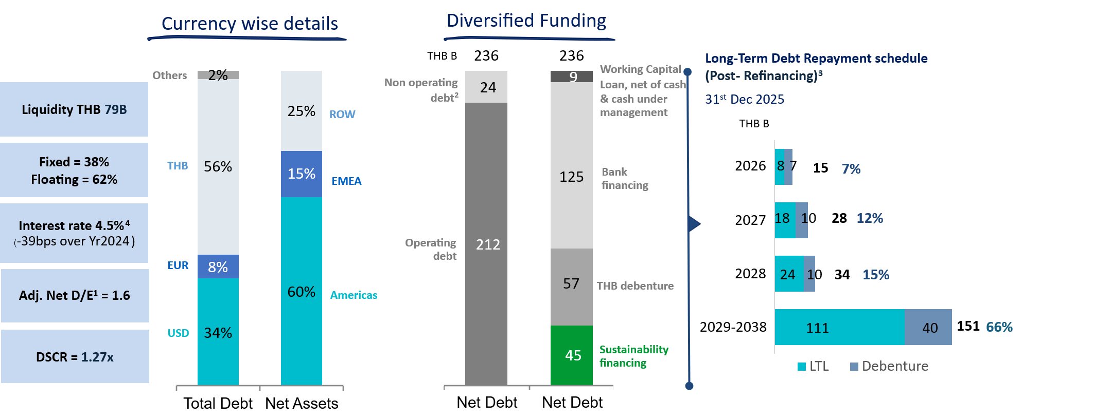

Note: Data as of 31 Dec 25, (1) Adjusted Net Debt/ Adjusted Equity : Adjusted Net Debt = Net debt less non-operating debt less non-cash fx impact at constant opening rate, Adjusted Equity = Total Equity less non-cash fx impact at constant opening rate in Translation Reserves;
(2) Includes various projects underway which are not yet completed and have not yet started contributing to the earnings;
(3) Post-Refinancing in 2025
(4) Interest rate excluding bank charges and other associated costs

IVL Shareholding Structure
Major Shareholders of IVL as on Dec 30, 2025
No. | Shareholders | No. of Shares | %
1 | INDORAMA RESOURCES LTD.1 | 3,688,903,618 | 65.70
2 | THAI NVDR LTD. | 281,443,084 | 5.01
3 | BANGKOK BANK PLC. | 270,905,264 | 4.83
4 | VAYU 1 | 204,521,900 | 3.64
5 | SOCIAL SECURITY OFFICE | 94,564,840 | 1.68
6 | SOUTH EAST ASIA UK (TYPE C) NOMINEES LIMITED | 74,722,087 | 1.33
7 | BBHISL NOMINEES LIMITED | 24,821,316 | 0.44
8 | STATE STREET EUROPE LIMITED | 16,047,205 | 0.29
9 | MR. SATAPORN NGAMRUANGPONG | 12,432,300 | 0.22
10 | Other Shareholders | 946,190,294 | 16.85
 | Total Shares | 5,614,551,908 | 100.00
Remarks: 1 Group of Lohia Family |  | No. of Shares | %
 | - INDORAMA RESOURCES LTD.* | 3,688,903,618 | 65.70
 | - MR. ALOKE LOHIA** | 1,000,010 | 0.02
 | - MR. ANUJ LOHIA | 10 | -
*Owned by Canopus International Limited*** 99.98%
**Mr. Aloke Lohia's shareholding in the Company, through his family holding in Canopus International Limited, is more than 25 times of
his annual base salary.
***Mr. Aloke Lohia and his immediate family jointly hold voting rights of 76% and an equity interest of 50% in Canopus, while the remaining
voting rights of 24% and 50% of the equity interest of Canopus are ultimately controlled by a Trust in which Mr. Sri Prakash Lohia and |  |  |  | Don’t remove | Percentage
his immediate family members are the discretionary beneficiaries. |  |  |  | Free Float | 34%
 |  |  |  | Promotors | 66%
Ownership Structure of IVL
Free Float
Free Float | 66% |  | 66%
Promotors
 | 11%
 | 15%
 | 9%
 |  |  |  |  |  | - Bangkok Insurance PCL.

 |  |  |  | Retail | 11%
 |  |  |  | Domestic Institutions | 15%
 |  |  |  | Foreign Institutions (Including NVDR 100%) | 9%
 |  |  |  |  | 34%
 |  |  |  |  | -

The Stock Exchange of Thailand (SET) Market Insight (Dec 2025) |  |  |  | Market_Statistics_Month_th_TH (2017-present)
Number of Listed Companies at SET: 638
SET total market capitalisation = Baht 16T
SET daily average turnover Jan-Dec25 = ~Baht 40B
IVL daily average turnover Jan-Dec25 = ~Baht 0.4B
IVL daily average turnover Jan-Dec25 as % to SET = ~1%
IVL Foreign Shareholding limit: 100%
Source: SET website and IVL

